Information
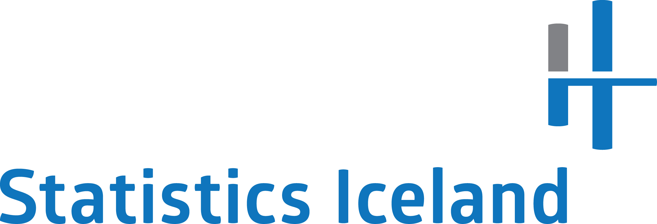

Experimental statistics: Government and institution measures in response to Covid-19

Table 1 | Summary

 | Corporations Support Measures - Time Series
Tables L2 | Support measures for corporations, total amount (ISK) by month, support measure and the size of the corporation.
Tables L3 | Support measures for corporations, total amount (ISK) by month, industry and tourism specific industries
Tables L4 | Total Amount (ISK) and the number of corporations that have postponed tax payments by month and how many tax payments they have postponed.

 | Corporations Support Measures - Cross Section
Tables L5 | Total amount (ISK) and number of corporations that have postponed tax payments by number of tax payments they have postponed.
Tables L6 | Support measures for corporations, total amount (ISK) and number of recipients, grouped by type of measure and size of corporation
Table L7 | Support measures, total amounts and number of recipients, grouped by type of measure and industies.
Tables L8 | Postponements of tax payments according to laws no. 17/2020 where a half of the payments due on 1st of March were postponed.

 | Individual Support Measures - Time Series
Tables E9a | Reduced employment benefits ratio, total amount (ISK) by month, industries and tourism specific industries
Tables E9b | Reduced employment benefits ratio, total number of beneficiaries by month, industries and tourism specific industries

 | Individual support measures - Cross Section
Tables E10a | Reduced employment benefits ratio, total amount (ISK) by gender, industries and tourism specific industries
Tables E10b | Reduced employment benefits ratio, total number of beneficiaries by gender, industries and tourism specific industries
Tables E11a | Reduced employment benefits ratio, total amount (ISK) by area, industries and tourism specific industries
Tables E11b | Reduced employment benefits ratio, total number of beneficiaries by area, industries and tourism specific industries
Tables E12 | Reduced employment benefits ratio, total amount (ISK) and total number of beneficiaries by age and region.
Tables E13 | Reduced employment benefits ratio, total amount (ISK) and total number of beneficiaries by age and gender
Tables E14 | Reduced employment benefits ratio, total amount (ISK) and total number of beneficiaries by region and gender

Last update: | 2021-01-18

About data:
This experimental statistics publication summarizes total amounts and number of recipients of the main support measures taken by the government in response to the coronavirus pandemic. The summary covers both support to corporations as well as to individuals and shows the results by month, industry classification, gender and residence among other things. The results of this summary are based on data gathered from the Iceland Revenue and Customs, the Central Bank of Iceland, The Judicial Administration and the Directorate of Labour and could be subject to change as better data will become available.

